BGSU Data
ID# | Date | Time | Site Name | Nitrate+NO2 (umol/L) | Ammonium (umol/L) | Nitrite (umol/L) | DRP (umol/L) | Silicate (umol/L) | Nitrate (umol/L) | TP (umol/L) | TKN (umol/L) | TN (umol/L) | TN:TP (molar) | Notes
March4_BG_Stidham_well_Surface | 2022-03-04 |  | Stidham Well Surface |  |  |  |  |  |  |  |  |  |  | No Sample Arrived at Stone Lab
March4_BG_Stidham_well_deep | 2022-03-05 |  | Stidham Well Deep |  |  |  |  |  |  |  |  |  |  | No Sample Arrived at Stone Lab
March4_BG_Miller_BH | 2022-03-06 |  | Miller's BH |  |  |  |  |  |  |  |  |  |  | No Sample Arrived at Stone Lab
March4_BG_Castalia_BH | 2022-03-07 |  | Castalia BH |  |  |  |  |  |  |  |  |  |  | No Sample Arrived at Stone Lab
May4_BG_Shiffler_dock | 2022-05-04 |  | Shiffler Dock |  |  |  |  |  |  |  |  |  |  | No Sample Arrived at Stone Lab
May17_BG_Derr | 2022-05-17 |  | Derr | 11.025 | 2.717 | 0.313 | 2.664 | 31.044 | 10.730 | 4.605 | 81.488 | 92.513 | 20.092 | Sample has a yellow hue which may affect analyzer results
May17_BG_Gurney | 2022-05-17 |  | Gurney | 2.936 | 68.481 | 1.062 | 0.686 | 446.325 | 1.852 | 5.681 | 193.986 | 196.922 | 34.666
May17_BG_Lake_site_1 | 2022-05-17 |  | Lake Site 1 | 0.000 | 0.606 | 0.049 | 0.046 | 175.561 | 0.000 | 2.391 | 117.753 | 117.667 | 49.212
May17_BG_Lake_site_2 | 2022-05-17 |  | Lake Site 2 | 0.000 | 0.779 | 0.056 | 0.000 | 175.818 | 0.000 | 2.116 | 119.051 | 119.008 | 56.242
May17_BG_WEIR | 2022-05-17 |  | WEIR | 0.000 | 0.266 | 0.054 | 0.037 | 171.569 | 0.000 | 2.157 | 118.540 | 118.481 | 54.916
May31_BG_Derr | 2022-05-31 |  | Derr | 4.912 | 8.638 | 3.135 | 4.425 | 27.568 | 1.705 | 8.564 | 107.244 | 112.157 | 13.096 | Sample has a yellow hue which may affect analyzer results
May31_BG_Gurney | 2022-05-31 |  | Gurney | 0.000 | 37.286 | 0.267 | 2.370 | 389.731 | 0.000 | 11.144 | 168.463 | 168.437 | 15.115 | Sample has a yellow hue which may affect analyzer results
May31_BG_Lake_site_1 | 2022-05-31 |  | Lake Site 1 | 0.000 | 0.062 | 0.024 | 0.145 | 171.249 | 0.000 | 1.700 | 104.384 | 104.117 | 61.245
May31_BG_Lake_site_2 | 2022-05-31 |  | Lake Site 2 | 0.000 | 0.482 | 0.022 | 0.120 | 167.192 | 0.000 | 1.762 | 108.375 | 108.095 | 61.365
May31_BG_WEIR | 2022-05-31 |  | WEIR | 0.000 | 0.349 | 0.044 | 0.108 | 143.183 | 0.000 | 2.124 | 114.878 | 114.627 | 53.968
June7_BG_Hamilton_DNR | 2022-06-07 |  | Hamilton DNR | 714.38 | 0.670 | 0.436 | 2.625 | 375.444 | 411.782 | 3.136 | 107.840 | 822.220 | 262.187
June14_BG_Derr | 2022-06-14 |  | Derr | 96.105 | 50.522 | 3.054 | 3.852 | 55.453 | 93.206 | 7.052 | 156.708 | 252.813 | 35.852 | Sample has a yellow hue which may affect analyzer results
June14_BG_Gurney | 2022-06-14 |  | Gurney | 17.426 | 224.620 | 4.429 | 4.409 | 281.969 | 12.918 | 11.310 | 212.697 | 230.123 | 20.347 | Sample has a yellow hue which may affect analyzer results
June14_BG_Hamilton DNR | 2022-06-14 |  | Hamilton DNR | 709.74 | 33.290 | 21.190 | 2.855 | 60.025 | 384.782 | 6.258 | 0.000 | 683.330 | 109.193
June14_BG_Lake_site_1 | 2022-06-14 |  | Lake Site 1 | 2.04 | 0.772 | 0.081 | 0.039 | 140.382 | 1.962 | 0.807 | 94.973 | 97.014 | 120.290
June14_BG_Lake_site_2 | 2022-06-14 |  | Lake Site 2 | 0.000 | 1.011 | 0.028 | 0.000 | 148.881 | 0.000 | 0.788 | 100.086 | 100.078 | 127.003
June14_BG_WEIR | 2022-06-14 |  | WEIR | 0.459 | 1.169 | 0.027 | 0.000 | 144.167 | 0.433 | 0.532 | 88.065 | 88.524 | 166.399
June19_BG_Shiffler_shore | 2022-06-19 |  | Shiffler Shore |  |  |  |  |  |  | 4.368 |  | 321.397 | 73.588 | No Filtered Sample
June19_BG_Shiffler_shore_float_mass | 2022-06-19 |  | Shiffler Shore Float Mass |  |  |  |  |  |  | 30.265 |  | 1272.545 | 42.047 | No Filtered Sample
June25_BG_Shiffler_beach | 2022-06-25 |  | Shiffler Beach |  |  |  |  |  |  | 28.405 |  | 1048.470 | 36.911 | No Filtered Sample
June27_BG_Bridge | 2022-06-27 | 10:56:00 | Edison Bridge | 77.536 | 5.277 | 4.106 | 0.117 | 49.001 | 73.511 | 2.781 | 86.631 | 164.167 | 59.032
June27_BG_BUOY2 | 2022-06-27 | 11:43:00 | BGSU Buoy 2 | 44.487 | 8.684 | 2.167 | 0.218 | 49.581 | 42.372 | 1.910 | 59.290 | 103.777 | 54.348
June27_BG_EC1163 | 2022-06-27 | 12:35:00 | EC 1163 | 31.26 | 1.273 | 1.069 | 0.000 | 21.399 | 30.241 | 0.785 | 43.367 | 74.627 | 95.127
June27_BG_Inside_buoy | 2022-06-27 |  | Inside Buoy | 10.204 | 7.478 | 0.464 | 0.004 | 146.979 | 9.753 | 0.321 | 41.667 | 51.871 | 161.592
June27_BG_MC | 2022-06-27 | 9:32:00 | Muddy Creek | 349.41 | 4.625 | 11.560 | 0.745 | 80.522 | 318.223 | 5.154 | 102.875 | 452.285 | 87.763
June27_BG_ODNR1 | 2022-06-27 | 12:05:00 | ODNR 1 | 38.37 | 3.766 | 1.712 | 0.045 | 27.768 | 36.708 | 2.126 | 63.079 | 101.449 | 47.718
June27_BG_ODNR2 | 2022-06-27 | 11:17:00 | ODNR 2 | 42.843 | 1.206 | 2.525 | 0.031 | 26.254 | 40.357 | 2.638 | 93.748 | 136.591 | 51.788
June27_BG_ODNR4 | 2022-06-27 | 10:00:00 | ODNR 4 | 254.41 | 4.345 | 7.975 | 0.411 | 44.145 | 246.831 | 3.475 | 90.252 | 344.662 | 99.198
June27_BG_ODNR6 | 2022-06-27 | 10:31:00 | ODNR 6 | 279.65 | 1.113 | 8.250 | 0.136 | 34.213 | 226.197 | 2.571 | 48.611 | 328.261 | 127.703
June27_BG_Outside_buoy | 2022-06-27 |  | Outside Buoy | 21.468 | 3.321 | 0.800 | 0.121 | 81.48 | 20.701 | 1.021 | 43.396 | 64.864 | 63.530
June28_BG_Derr_dock | 2022-06-28 |  | Derr Dock |  |  |  |  |  |  | 45.715 |  | 941.270 | 20.590 | No Filtered Sample. Two samples - June 28 DERR and June 28 DERR Dock see photo
June28_BG_Gurney | 2022-06-28 |  | Gurney | 1.901 | 224.620 | 0.522 | 0.889 | 695.664 | 1.369 | 3.803 | 335.032 | 336.933 | 88.608
June28_BG_Lake_site_1 | 2022-06-28 |  | Lake Site 1 | 0.000 | 0.000 | 0.018 | 0.000 | 160.33 | 0.000 | 0.358 | 87.848 | 87.768 | 245.163
June28_BG_Lake_site_2 | 2022-06-28 |  | Lake Site 2 | 0.000 | 0.797 | 0.012 | 0.000 | 152.357 | 0.000 | 0.442 | 95.103 | 94.995 | 214.920
June28_BG_WEIR | 2022-06-28 |  | WEIR | 0.553 | 13.568 | 0.176 | 0.003 | 167.472 | 0.374 | 0.922 | 99.655 | 100.208 | 108.744
July2_BG_Lewendowski_dock | 2022-07-02 |  | Lewendowski Dock |  |  |  |  |  |  | 7.760 |  | 390.757 | 50.355 | No Filtered Sample
July5_BG_Bridge | 2022-07-05 | 11:14:00 | Edison Bridge | 41.875 | 6.259 | 2.440 | 0.103 | 72.672 | 39.475 | 3.444 | 110.040 | 151.915 | 44.110
July5_BG_BUOY2 | 2022-07-05 | 11:57:00 | BGSU Buoy 2 | 1.64 | 3.012 | 0.162 | 0.036 | 135.265 | 1.477 | 1.762 | 70.377 | 72.017 | 40.884
July5_BG_EC1163 | 2022-07-05 | 12:47:00 | EC 1163 | 2.728 | 2.827 | 0.223 | 0.067 | 108.487 | 2.505 | 1.530 | 54.127 | 56.855 | 37.160
July5_BG_Hamilton_DNR | 2022-07-05 |  | Hamilton DNR | 2559 | 208.770 | 26.460 | 4.125 | 413.316 | 378.860 | 6.305 | 920.960 | 3479.960 | 551.980
July5_BG_Lake_site_1 | 2022-07-05 |  | Lake Site 1 | 18.563 | 0.000 | 0.072 | 0.073 | 173.318 | 18.538 | 1.212 | 70.989 | 89.552 | 73.887
July5_BG_Lake_site_2 | 2022-07-05 |  | Lake Site 2 | 3.108 | 1.034 | 0.048 | 0.028 | 191.216 | 3.066 | 0.753 | 83.703 | 86.811 | 115.363
July5_BG_MC | 2022-07-05 | 9:35:00 | Muddy Creek | 207.75 | 4.291 | 8.389 | 0.625 | 12.207 | 185.232 | 10.604 | 115.416 | 323.166 | 30.477
July5_BG_ODNR1 | 2022-07-05 | 12:18:00 | ODNR 1 | 2.23 | 1.356 | 0.118 | 0.031 | 143.038 | 2.114 | 2.836 | 74.060 | 76.290 | 26.905
July5_BG_ODNR2 | 2022-07-05 | 11:35:00 | ODNR 2 | 8.641 | 5.516 | 0.846 | 0.143 | 61.629 | 7.792 | 3.398 | 84.717 | 93.358 | 27.475
July5_BG_ODNR4 | 2022-07-05 | 9:56:00 | ODNR 4 | 146.13 | 3.743 | 6.228 | 0.431 | 13.005 | 143.334 | 4.879 | 99.629 | 245.759 | 50.371
July5_BG_ODNR6 | 2022-07-05 | 10:47:00 | ODNR 6 | 100.61 | 6.323 | 4.536 | 0.121 | 74.603 | 101.371 | 3.721 | 112.512 | 213.122 | 57.275
July11_BG_Bells | 2022-07-11 | 1:09:00 | Bells | 17.857 | 1.661 | 0.389 | 0.005 | 111.245 | 17.505 | 1.183 | 37.655 | 55.512 | 46.925
July11_BG_Bridge | 2022-07-11 | 11:04:00 | Edison Bridge | 34.86 | 1.113 | 2.044 | 0.131 | 104.868 | 32.850 | 4.002 | 88.163 | 123.023 | 30.736
July11_BG_BUOY2 | 2022-07-11 | 11:56:00 | BGSU Buoy 2 | 0.125 | 1.509 | 0.027 | 0.139 | 132.612 | 0.097 | 2.241 | 55.233 | 55.358 | 24.708
July11_BG_EC1163 | 2022-07-11 | 12:40:00 | EC 1163 | 0.002 | 0.693 | 0.013 | 0.000 | 123.311 | 0.000 | 2.128 | 50.925 | 50.927 | 23.932
July11_BG_MC | 2022-07-11 | 9:42:00 | Muddy Creek | 199.86 | 2.059 | 7.343 | 0.367 | 96.119 | 167.345 | 5.484 | 54.842 | 254.702 | 46.445
July11_BG_ODNR1 | 2022-07-11 | 12:15:00 | ODNR 1 | 1.272 | 1.111 | 0.030 | 0.179 | 141.481 | 1.245 | 2.247 | 61.377 | 62.649 | 27.881
July11_BG_ODNR2 | 2022-07-11 | 11:34:00 | ODNR 2 | 0.331 | 0.691 | 0.065 | 0.292 | 150.434 | 0.265 | 2.893 | 62.833 | 63.164 | 21.833
July11_BG_ODNR4 | 2022-07-11 | 10:09:00 | ODNR 4 | 27.602 | 0.467 | 1.751 | 0.125 | 51.566 | 25.874 | 4.787 | 103.609 | 131.211 | 27.413
July11_BG_ODNR6 | 2022-07-11 | 10:49:00 | ODNR 6 | 55.679 | 1.675 | 3.169 | 0.103 | 92.635 | 52.567 | 3.958 | 104.316 | 159.995 | 40.428
July12_BG_Inside_buoy | 2022-07-12 |  | Inside Buoy | 1.166 | 3.905 | 0.089 | 0.076 | 192.904 | 1.078 |  |  |  |  | No Raw Sample
July12_BG_Outside_Buoy | 2022-07-12 |  | Outside Buoy | 5.078 | 1.480 | 0.156 | 0.291 | 184.869 | 4.932 |  |  |  |  | No Raw Sample
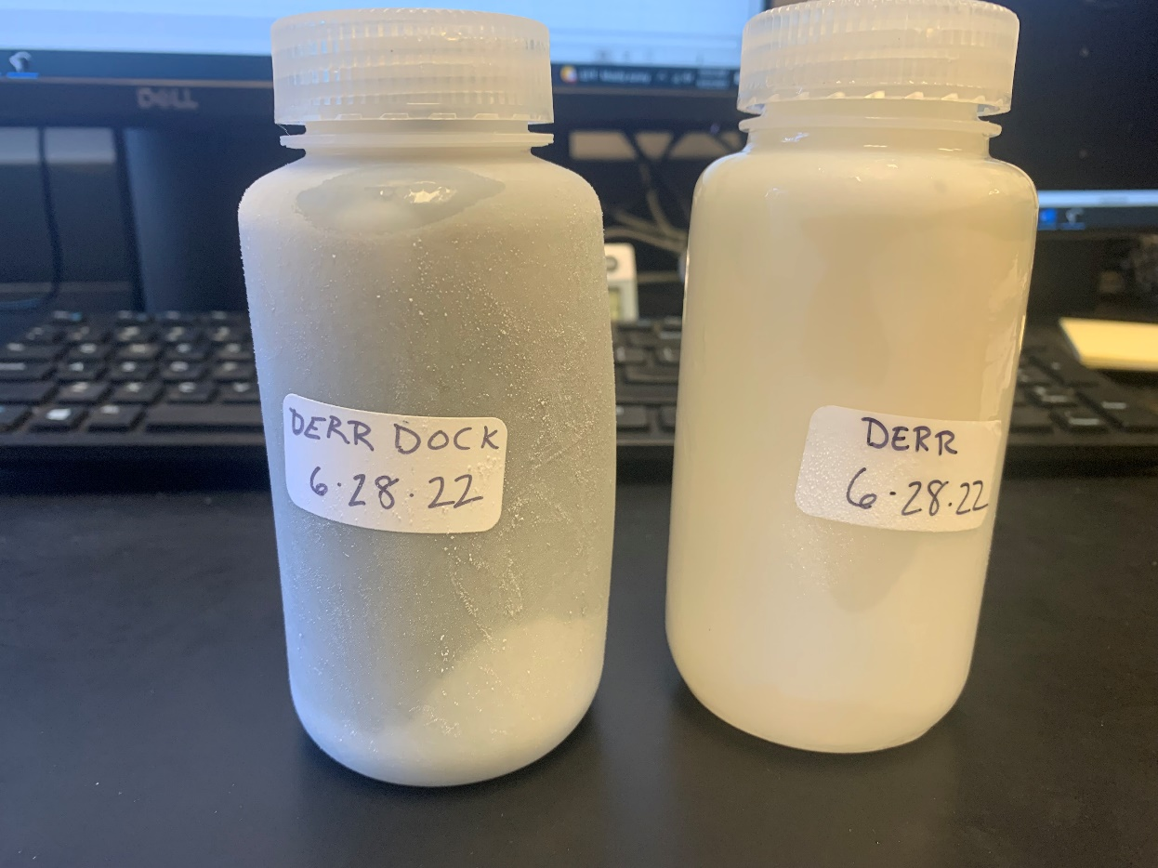
July18_BG_Bells | 2022-07-18 | 13:03:00 | Bells | 13.871 | 1.933 | 0.455 | 0.000 | 68.858 | 13.441 | 0.456 | 27.829 | 41.701 | 91.549
July18_BG_Bridge | 2022-07-18 | 10:54:00 | Edison Bridge | 3.73 | 5.111 | 0.311 | 0.394 | 159.114 | 3.420 | 4.155 | 86.411 | 90.141 | 21.697
July18_BG_BUOY2 | 2022-07-18 | 11:31:00 | BGSU Buoy 2 | 0.292 | 3.429 | 0.045 | 0.379 | 211.535 | 0.246 | 1.819 | 46.829 | 47.122 | 25.912
July18_BG_CW | 2022-07-18 | 12:41:00 | Causeway | 0.000 | 0.646 | 0.022 | 0.034 | 189.608 | 0.000 | 2.239 | 57.769 | 57.661 | 25.753
July18_BG_EC1163 | 2022-07-18 | 12:15:00 | EC 1163 | 1.021 | 0.490 | 0.081 | 0.128 | 170.506 | 0.941 | 1.841 | 48.040 | 49.061 | 26.657
July18_BG_MC | 2022-07-18 | 9:37:00 | Muddy Creek | 61.29 | 7.394 | 4.260 | 1.182 | 93.775 | 57.071 | 7.304 | 107.539 | 168.829 | 23.115
July18_BG_ODNR1 | 2022-07-18 | 11:51:00 | ODNR 1 | 0.802 | 0.438 | 0.095 | 0.383 | 220.019 | 0.707 | 2.007 | 51.967 | 52.769 | 26.292
July18_BG_ODNR2 | 2022-07-18 | 11:12:00 | ODNR 2 | 4.165 | 2.408 | 0.328 | 0.554 | 187.997 | 3.839 | 2.893 | 58.999 | 63.164 | 21.833
July18_BG_ODNR4 | 2022-07-18 | 10:02:00 | ODNR 4 | 19.749 | 10.365 | 2.637 | 1.053 | 31.792 | 17.086 | 5.585 | 103.802 | 123.551 | 22.122
July18_BG_ODNR6 | 2022-07-18 | 10:29:00 | ODNR 6 | 3.616 | 4.071 | 0.439 | 0.306 | 77.586 | 3.174 | 4.622 | 107.474 | 111.090 | 24.035
July25_BG_Bells | 2022-07-25 | 2:15:00 | Bells | 14.533 | 0.365 | 0.620 | 0.020 | 61.844 | 13.935 | 0.209 | 23.095 | 37.628 | 180.038
July25_BG_Bridge | 2022-07-25 | 11:11:00 | Edison Bridge | 0.00 | 0.658 | 0.022 | 0.481 | 187.221 | 0.000 | 2.898 | 57.807 | 57.805 | 19.950
July25_BG_BUOY2 | 2022-07-25 | 12:15:00 | BGSU Buoy 2 | 0.00 | 7.700 | 0.023 | 0.021 | 192.395 | 0.000 | 1.687 | 50.632 | 50.587 | 29.995
July25_BG_CW | 2022-07-25 | 1:41:00 | Causeway | 0.00 | 0.538 | 0.013 | 0.000 | 192.472 | 0.000 | 1.882 | 58.597 | 58.479 | 31.073
July25_BG_EC1163 | 2022-07-25 | 1:14:00 | EC 1163 | 1.901 | 15.837 | 0.300 | 0.166 | 223.194 | 1.597 | 1.738 | 51.176 | 53.077 | 30.548
July25_BG_MC | 2022-07-25 | 9:44:00 | Muddy Creek | 70.4 | 3.674 | 4.340 | 1.487 | 204.93 | 66.125 | 6.194 | 93.274 | 163.674 | 26.425
July25_BG_ODNR1 | 2022-07-25 | 12:42:00 | ODNR 1 | 0.331 | 1.308 | 0.057 | 0.138 | 212.536 | 0.273 | 1.885 | 55.406 | 55.738 | 29.577
July25_BG_ODNR2 | 2022-07-25 | 11:51:00 | ODNR 2 | 0.037 | 0.752 | 0.004 | 0.342 | 225.72 | 0.032 | 1.766 | 47.496 | 47.533 | 26.923
July25_BG_ODNR4 | 2022-07-25 | 10:11:00 | ODNR 4 | 2.393 | 1.063 | 0.271 | 1.472 | 185.791 | 2.120 | 5.585 | 121.158 | 123.551 | 22.122
July25_BG_ODNR6 | 2022-07-25 | 10:41:00 | ODNR 6 | 0.31 | 1.275 | 0.025 | 1.810 | 86.72 | 0.285 | 6.751 | 105.713 | 106.023 | 15.705
June28_BG_Derr |  |  | Derr | 8.191 | 7.525 | 0.393 | 1.713 | 46.286 | 7.809 | 3.611 | 88.916 | 97.107 | 26.892 | June 28 or July 28? - two TN samples labeled June 28 DERR and DERR dock - see photo
 |  |  | Unlabeled X | 0.000 | 0.154 | 0.014 | 0.056 | 221.913 | 0.000 | 1.852 | 111.608 | 111.430 | 60.167 | With "Little Leng Lake" Samples

